Basic Gantt Chart
Semester 1
Task Name | Start | End | Duration (days)
Project Proposal | 2021-10-10 | 2021-10-15 | 5
Setup GitHub Repository | 2021-10-15 | 2021-10-16 | 1
Gantt Chart | 2021-10-15 | 2021-10-18 | 3
Initial Research | 2021-10-18 | 2021-10-25 | 7
Ethics Disclaimer Form | 2021-10-19 | 2021-10-20 | 1
Risk Assessment | 2021-10-19 | 2021-10-21 | 2
Report Introduction | 2021-10-22 | 2021-10-26 | 4
Lit. Review - Linear Raymarching | 2021-10-26 | 2021-10-29 | 3
Lit. Review - Sphere Tracing | 2021-10-29 | 2021-11-01 | 3
Lit. Review - Point Cloud | 2021-11-01 | 2021-11-02 | 1
Project Management Considerations | 2021-11-02 | 2021-11-04 | 2
Project Management Conclusion | 2021-11-04 | 2021-11-06 | 2
Platform Considerations | 2021-11-06 | 2021-11-08 | 2
Platform Conclusion | 2021-11-08 | 2021-11-10 | 2
Prototype - Setup Project | 2021-11-10 | 2021-11-12 | 2
Setup Implementation (Report) | 2021-11-12 | 2021-11-19 | 7
Prototype - Basic Ray Marching | 2021-11-12 | 2021-11-26 | 14
Ray Marching Implementation (Report) | 2021-11-22 | 2021-11-29 | 7
Full Project Plan | 2021-11-29 | 2021-12-05 | 6
Lit. Review - CSG/Boolean Operations | 2021-12-05 | 2021-12-08 | 3
Lit. Review - Volumetric Objects | 2021-12-08 | 2021-12-11 | 3
Lit. Review - Lighting/Shadows | 2021-12-11 | 2021-12-14 | 3
Lit. Review - Fractal Rendering | 2021-12-14 | 2021-12-17 | 3
Ray Marcher Analysis and Design | 2021-12-17 | 2021-12-21 | 4
Lighting Analysis and Design | 2021-12-27 | 2021-12-31 | 4
CSG Analysis and Design | 2022-01-01 | 2022-01-05 | 4
Begin Lighting/Shadows Implementation | 2022-01-05 | 2022-01-10 | 5

Basic Gantt Chart (2)
Semester 2
Task Name | Start | End | Duration (days)
Lighting/Shadows Implementation | 2022-01-31 | 2022-02-10 | 10
Object Materials Analysis and Design | 2022-02-10 | 2022-02-15 | 5
Object Materials Implementation | 2022-02-15 | 2022-02-25 | 10
CSG Analysis and Design | 2022-02-25 | 2022-03-02 | 5
CSG Implementation | 2022-03-02 | 2022-03-07 | 5
SDF Modelling Tool Analysis and Design | 2022-03-07 | 2022-03-12 | 5
SDF Modelling Tool Implementation | 2022-03-12 | 2022-03-27 | 15
Point-Splat Rendering Analysis and Design | 2022-03-27 | 2022-04-01 | 5
Point-Splat Rendering Implementation | 2022-04-01 | 2022-04-11 | 10
Fractals Analysis and Design | 2022-04-11 | 2022-04-14 | 3
Fractals Implementation | 2022-04-14 | 2022-04-17 | 3
Scene Management Analysis and Design | 2022-04-17 | 2022-04-22 | 5
Scene Management Analysis and Design | 2022-04-22 | 2022-04-30 | 8
Testing / Results | 2022-04-30 | 2022-05-02 | 2
Critical Evaluation | 2022-05-02 | 2022-05-06 | 4

FAQs
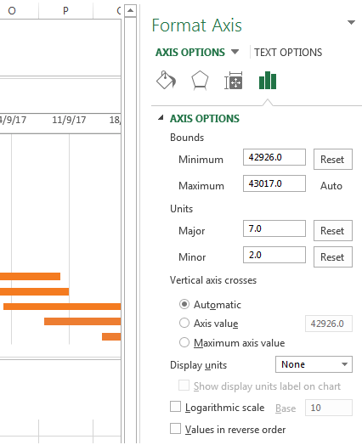
Q | How do I remove the empty space on the left side of my Gantt chart?
A | 1. Right-click on the first Start Date in your data table, select Format Cells > General. Write down the number that you see - this is a numeric representation of the date, in the case of the template '42926'. As you probably know, Excel stores dates as numbers based on the number of days since 1-Jan-1900. Click Cancel because you don't actually want to make any changes here. 2. Click on any date above the task bars in your Gantt chart. One click will select all the dates; right click them and choose Format Axis from the context menu. 3. Under Axis Options, change Minimum to Fixed and type the number you recorded in the previous step.
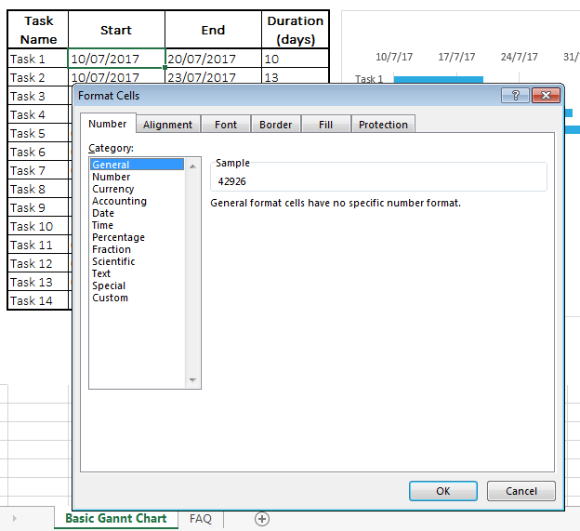

Q | How do I adjust the dates on my Gantt chart?
A | 1. In the same Format Axis window that you used in the previous step, change Major unit and Minor unit to Fixed too by adding the numbers you want for the date intervals. Typically, the shorter your project's timeframe is, the smaller numbers you use. For example, if you want to show every other date, enter 2 in the Major unit. You can see my settings in the screenshot below.

